HELP SEPHORA
The aim of this tool: This excel sheet will allow you to provide us with all the information required for placing your products online; the integration of these elements will better meet your needs when creating or modifying product pages. You can find all the explanations below, to help you fill in this matrix.

This tool will be regularly updated with new brands. As a reminder, we ask you to fill in this matrix and send it to us at least 8 weeks before the launch date.

It is vital that you activate the macros so that your file operates correctly; the macros are activated by default in TOOLS > OPTIONS > SECURITY Tab > MACRO SECURITY
Medium security level: a warning message will appear every time the tool is opened which you will need to accept.
/!\ if the security level is high or very high, the tool will not work.

N.B.: To print out this user's guide in full, click on PRINT > PRINT PREVIEW > PAGE SETUP > FIT TO: 1 page wide to 3 pages tall.

I. Beginning:
At the opening, you arrive directly on the Matrice Offre Tab : This tab summarises everything for your launch and allows us to create your product easily. It's like an excel sheet that you can fill in following directions on each columns or here in the guide.
You can start a new work session, whether you wish to place new products online at sephora.fr, sephora.it, sephora.pl, sephora.es or sephora.cz or modify products that are already online (e.g. add a new lipstick shade) by clicking on an empty cell in the first column (Item EAN Code). You will need to choose bewteen a creation as C or a modification as M.
Please note that for saving your datas, you will need to complete correctly each line. You can begin your work and then save, and continue later if you want, but you must finish the line you begin first.

this matrix is an excel sheet, so you'll be able to copy/paste easily from your own excel. You just have to fill in each column for each line, a line corresponding to a EAN code, by following this Help Tab as well as the little explanations on each column
This matrix is an excel sheet, so you'll be able to copy/paste easily from your own excel. You just have to fill in each column for each line, a line corresponding to a EAN code, by following this Help Tab as well as the little explanations on each columns.
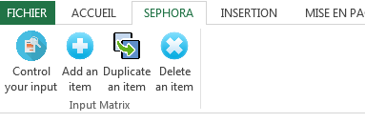

You have now a dedicated tab on the top named "Sephora".
Control your Input : It allows you to know if the matrix is fill in correctly. If not, a pop-up will appear and explain to you why it's not right and what you need to change. This button saves your work. Please note that the little "save" button on the top, identical to all excel files have exactly the same goal than Control Your input. Both can be used.
Add an item : If you have several shades for a product, as an example, then you can click on add an item, be sure to be on the line you want to duplicate. It will add a line, same as the one you choose but without EAN and Item Display name. You'll have just to fill in the characteristics of this reference.
Duplicate an item : If you want to duplicate a line, be sure to be on this line and click on the button. It will duplicate exactly the same line. All the characteristics will also be duplicated.
Delete an item : Click on the line you want to delete and then click on this button. The line where the item is will be deleted.

We ask that you complete all the fields in accordance with the following recommendations:

A. Create/ Modify: allows you to create a new product or to modify a product that is already online .
Please ensure that you select the correct letter as the compulsory fields will not be the same in each case.
Compulsory field when creating or modifying an item.
o Create a new product page: this is for when you need to list a product that has never been placed online. Choose C (caps lock)
o Modify a product page or add items to an existing product : if you wish to modify an item (text, labelling, etc.) on a product page that already features on the site, or add items to a product page that is already online. Choose M (caps lock)

B. Launch date: enter when you would like your product to be placed online.
N.B.: this does not, however, offer any guarantee that your product will be online by this date.
Restriction: this date must be later than the current day's date. Please make sure to use this date format DD/MM/YYYY
Compulsory field when creating an item.

C. Country : allows you to select, from the drop-down menu, the country where the product is sold.
Compulsory field when creating or modifying an item.
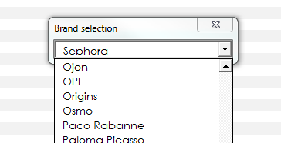
D. Brand: select the correct brand from the drop-down list . Double click on the cell, a pop-up appears, you can choose the brand by scrolling down the menu or type the beggining of the brand directly on the search field and then click on enter.
Compulsory field when creating or modifying an item.

E. Item EAN Code : enter the EAN code.
Restriction: maximum of 13 numerical characters.
Mandatory field when creating or modifying an item.

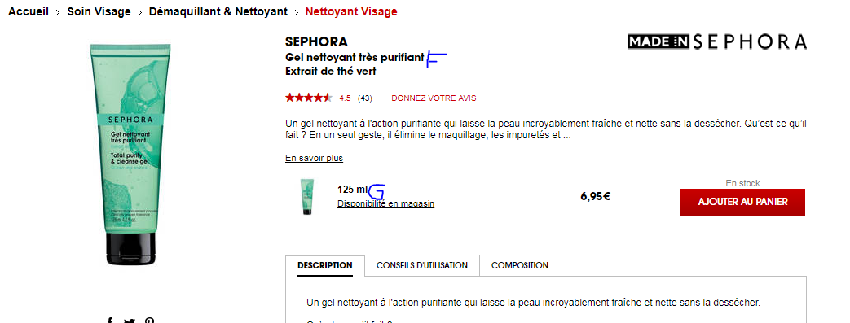
F. Product display name: enter the name of the product as it should appear online. The product display name is in two parts separated by "-" in the cell of the matrix. The 1st part is the name of your product and the 2nd key words description. Eg : Cream Lip Stain - Lipstick matte
Restriction: maximum of 80 characters.
Mandatory field when creating an item.
Important: an error message (An identically named product already exists. If you save the product in progress, you will replace the older one) appears when you save a product name if the same trio of information (Product/Brand/Country) already exists in the summary table for the current session.

G. Item Name + net weight (ml or g): enter the size (in ml or g) if it is a Fragrance or a Treatment // the shade + size (ml or g) if it is a Make-up product. Eg : Electric Ruby (5 ml)
Restriction 1: maximum of 80 characters.
Restriction 2: The item display name must be different to the product display name.
Restriction 3: All the item display names for a single product must be different.
Mandatory field when creating or modifying an item.

H. Default Item
If you have several item for the same product, identify the one you want as the main visual. Choose "x" for the correct one, leave others blank. By selecting your item like "default', the visual of this item will be the one visible on the product page by default.

I. Main Top Category: in the drop-down menu of categories, select the top main product category in which the product will appear online. Then select the main category and the sub-category if needed. i.e Top Main Category : Skincare > Main Category : Anti-ageing > Sub-category : Daily care
Mandatory field when creating an item.

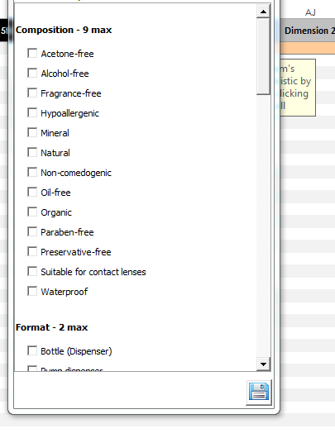
L. Other Parent Category: in the drop-down category menu, select one additional categorie (if needed) in which your product should also feature.
Restriction: All the categories must be different.

AM. Item Filter
To open the characteristics form : Double click on the cell > choose all characteristics related to the item. Then click on the "Save" button to add these item's characteristics. You can add 12 dimensions, lines will be automatically fill in with what you choose previously on the form.
To select a characteristic, you simply need to tick the box of the relevant value(s) from the product characteristics list.
To delete a characteristic, tick of the box of the relevant value(s) from the product characteristics list.
These fileds are mandatory (at least 2) This is the key element to maximize the visibility of your product and improve your referencement for the internal search engine of our websites.These characteristics are linked to the main category that was selected previously and these values must be selected for one item at a time.

PRODUCT DESCRIPTION (Use key words & unique description)
AY. Product Description: enter a detailed description in accordance with the charter. List here the key information about the product, what it is for --> Always begin your long description by a short functionnal sentence with key words. It must be the same description that you wish to see appear on the product page. Type ALT + RETURN to insert a line break. Or copy/paste your HTML code with proper formating tag (ie. <br/>, ...)
Restriction: maximum of 1750 character - Mandatory field when creating an item.

Why we like it ? / Benefits : Describe here the benefits of your products. Why we like it ? Why is it different than others ? Short sentences using bullet points. Make sure to not duplicate content from the previous cell.

Other description on the fields below: Enter the complementary descriptions that you wish to see appear on the product page. These fields must deliver a qualitative message for helping clients.

AZ. How to apply: highly recommended for delivering tips if you are listing Treatments or Make-up. Indicate here How to use the products and deliver pro tips. Describe the recommended routine.
BA. Ingredients: Mandatory field. List in a full and "technical" way, all the components of the product's composition (these must all be in English or Latin).
BB. Usage restrictions: indicate the product's contraindications of use, where necessary. Notify the DO's and DONT's (eg. always use proper sunscreen the day after use)
BC. Tests results: give all the details of the tests carried out and the obtained results (these must be supported by certification).
BD. Composition: list the product's "non-chemical" ingredients.
BE. Kit Title: Always begin with "This set/kit/case contains ... ".
BF. Kit Details : explain all the elements of a product in the case of sets, cases etc.
BG. Olfactory Notes: functional description of olfactory family & notes. Highly recommended if you are listing a Fragrance.
BH. More Information: if needed.
Restriction 1: maximum of 300 characters.

BI. Related Products: up to 5 complementary products can be placed here by entering their EAN codes. The order in which the products are entered is the same order in which they will appear online.
Restriction 1: maximum of 13 numerical characters.
Restriction 2 : all the EAN codes that figure here must be different, different to the Same Range Products as well as different to the items entered for this product.

BN. Same Range Products: up to 5 products from the same range can feature here by entering their EAN codes. The order in which the products are entered is the same order in which they will appear online.
Restriction 1: maximum of 13 numerical characters.
Restriction 2 : all the EAN codes that figure here must be different, different to the Related Products as well as different to the items entered for this product.

II. To add an item to the list
Continue to fill in an empty line.
You may add as many items as you wish for any given product.
By clicking on Add an item, you will easily fill in another line for the same product. You'll have just to fill in the characteristics of this reference as EAN, Item Display Name, Dimensions,... If EANs are linked to the same product, be sure to fill in the same Product Display Name but to have different Item Display Name. Or to click on Add an Item.
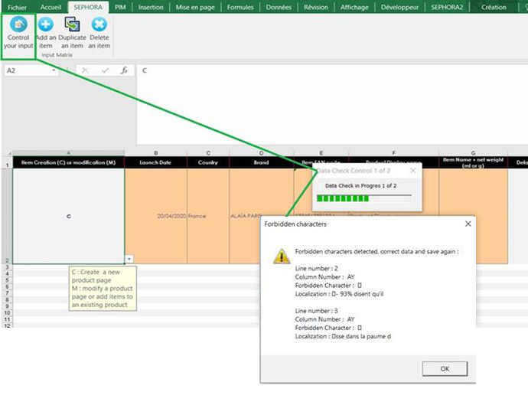
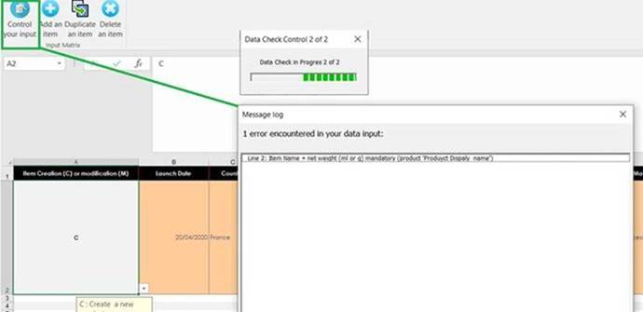

III. Control your input
Some special characters which are forbidden can slip into the texts you add.
In order to detect and correct them, select the tab SEPHORA and click on the button Control your input. The progress bar of the Data Check control appears.
If there is some, a "Forbidden Character" pop-up will open to indicate the line, the column concerned and the forbidden characters to correct.
Correct all the forbidden characters, and go to the next step.

IV. SAVING:
Once the excel sheet has been fully and correctly filled out, click on SAVE. If the compulsory fields have been filled out, it will be saved.
If the compulsory fields have not been filled out, error messages will appear and show every compulsory field that has been left blank or wrongly filled out.
Please note that to be allowed to SAVE, you must finish the line you began. You can totally save one line then quit and continue later, or fill in every line for every EAN you have directly. But we advise you to save everytime you finish a line (= an Item) to know if everything is ok.
At this stage, you can continue to list new products or finish and send the file to those in charge of content: we advise you to create all your product listings in the same work session, then to save them before sending the file to the content team.
To correct datas already fullfilled for an item, click on the line where Item EAN Code cell already complete.
To continue with the current session, click on an empty cell in the first column and continue fill in line.

DO NOT send us a matrix not completed correctly. If you have an error message, correct what is wrong and then send it to us.

N.B.: To print out this user's guide in full, click on PRINT > PRINT PREVIEW > PAGE SETUP > FIT TO: 1 page wide to 3 pages tall.

